Sheet1
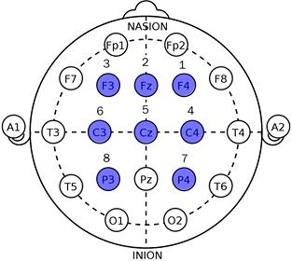
Subject | Han
SRB2 | Right Earlobe (A2)
BIAS | Left Earlobe (A1)
Ch1 | F4
Ch2 | Fz
Ch3 | F3
Ch4 | C4
Ch5 | Cz
Ch6 | C3
Ch7 | P4
Ch8 | P3

Each video is done in n trials | n = 3
The impedance is checked at the beginning of every trial round

Impedance [kOhm] | Trial 1 | Trial 2 | Trial 3
Ch1 | 3 | 3 | 4
Ch2 | 3 | 2 | 2
Ch3 | 3 | 2 | 3
Ch4 | 5 | 10 | 12
Ch5 | 6 | 7 | 12
Ch6 | 3 | 7 | 6
Ch7 | 8 | 9 | 11
Ch8 | 4 | 5 | 7

Note | Really moved | Imaginary move | Imaginary move

